% Impact Price Change
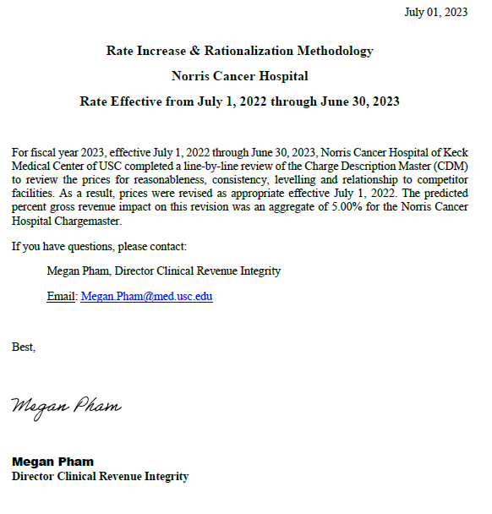
Total Gross Revenue (Old Price) | Total Gross Revenue (New Price) | New Gross Revenue Based on Annual Price Increase

$1,122,040,222 | $1,178,261,428 | $56,221,206
% Change Estimate in Gross Revenue based on Price Adjs. |  | 5%

